Module 3a
© Copyright – System Engineering A/S
System Integration Calculator
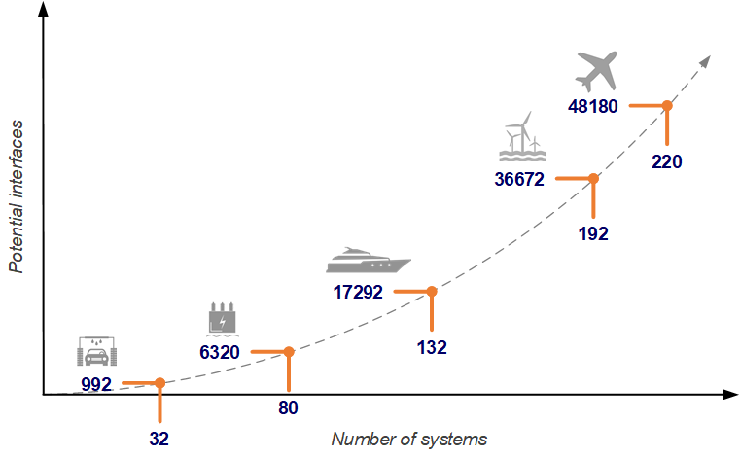

 |  |  |  | Knowledge based numbers
 |  | Baseline |  | Car wash |  | Airplane
 | Number of systems | 1 | <- | 32 | - | 220
 | Number of potental interfaces | 0
 |  |  |  | Offshore wind |  | Airplane
 | Integration density* | 15% | <- | 8% | - | 22%
 | Number og actual interfaces | 0
 |  |  |  | Low |  | High
 | % of Interfaces in control | 80% | <- | 60% | - | 98%
 | No. of interfaces not in control | 0
 | Avg. Cost of failed interface | € 5,000 | <- | 5,000 € | - | 15,000 €
 | Potential profit per project | € -

 | Number of projects per year | 3 | <-
 | Total profit per year | € -

 | * Integration density (Actual interfaces/Potentential interfaces) indicates how integrated a sytem is. A commercial aircraft has a high integration density (22%) - many systems in a limited space. Scroll down to see more examples.

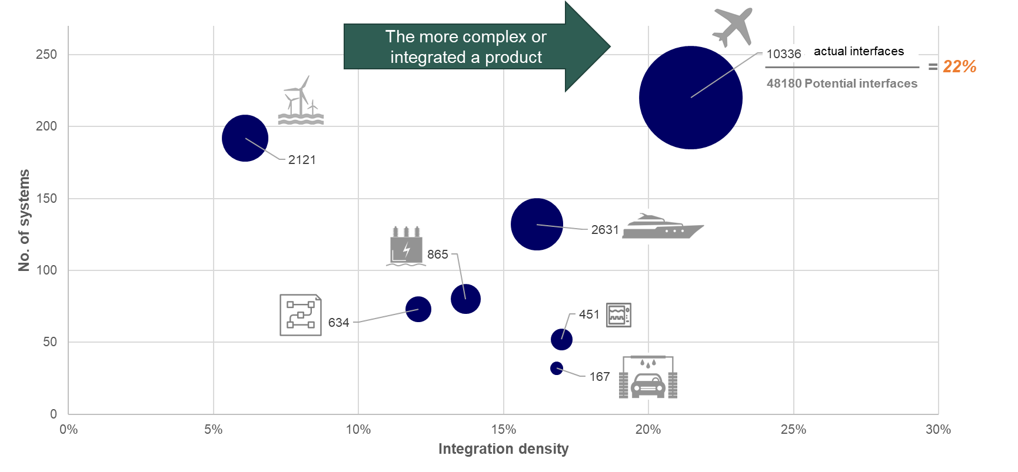
 |  |  |  |  | Integration density [Actual interfaces/Potential interfaces] Bubbles indicates number of actual interfaces

